Foglio2
 | This first sheet contains a summary of the results of our experiment. These data refer to those on the second sheet, which contains all the data collected and the scoring process. For more details look at the second sheet.

 | FINAL SCORES ANALYSIS
 | ### | >= The best Human
 | ### | > Average Human
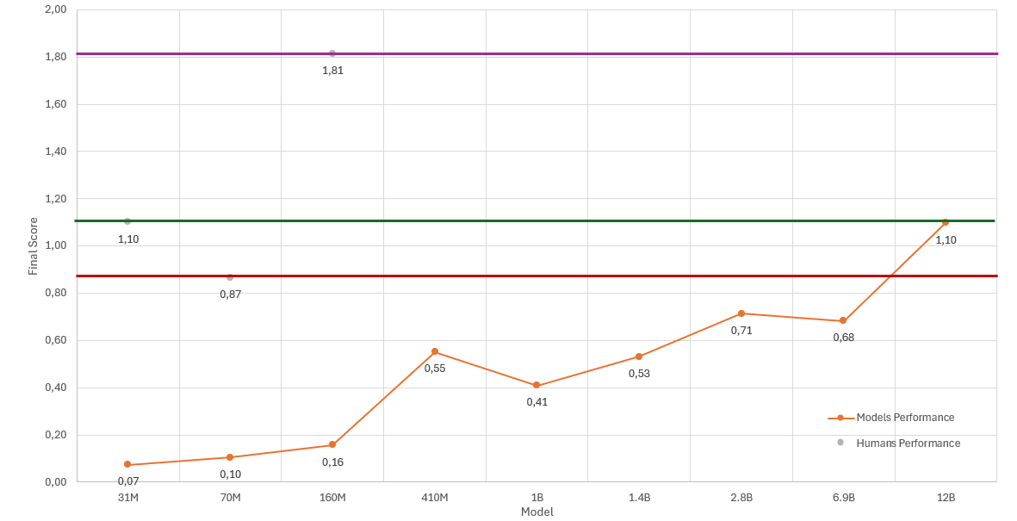
 | ### | <= Average Human
 | ### | <= The worst Human
 | MODELS | Final Score
 | 31M | 0.07
 | 70M | 0.10
 | 160M | 0.16
 | 410M | 0.55
 | 1B | 0.41
 | 1.4B | 0.53
 | 2.8B | 0.71
 | 6.9B | 0.68
 | 12B | 1.10

 | HUMANS | Final Score
 | Average | 1.10
 | Worst | 0.87
 | Best | 1.81

 | Best Final score
 | MODELS | Final Score
 | 12B | 1.10
 | 2.8B | 0.71
 | 6.9B | 0.68
 | 410M | 0.55
 | 1.4B | 0.53
 | 1B | 0.41
 | 160M | 0.16
 | 70M | 0.10
 | 31M | 0.07

 | HUMAN SCORES ANALYSIS
 | Humans | Score
 | 15 | 1.81
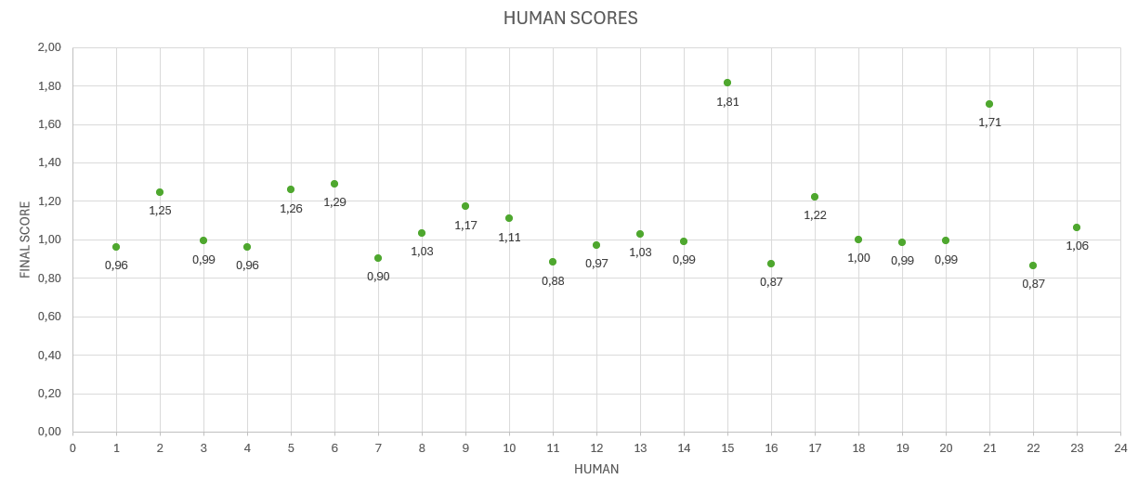
 | 21 | 1.71
 | 6 | 1.29
 | 5 | 1.26
 | 2 | 1.25
 | 17 | 1.22
 | 9 | 1.17
 | 10 | 1.11
 | 23 | 1.06
 | 8 | 1.03
 | 13 | 1.03
 | 18 | 1.00
 | 3 | 0.99
* | 20 | 0.99
 | 14 | 0.99
 | 19 | 0.99
 | 12 | 0.97
 | 1 | 0.96
 | 4 | 0.96
 | 7 | 0.90
 | 11 | 0.88
 | 16 | 0.87
 | 22 | 0.87

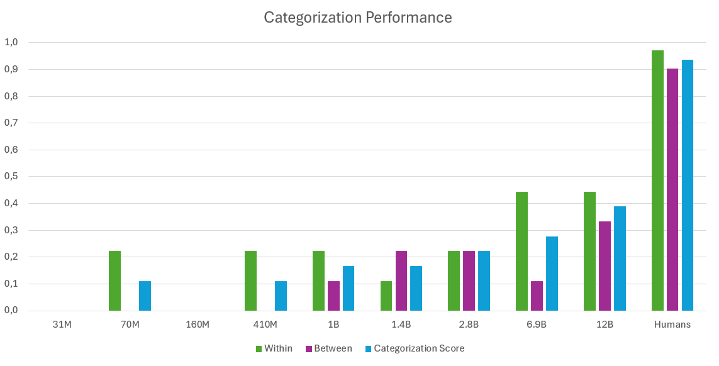
 | CATEGORIZATION SCORES ANALYSIS
 | Categorization
 | MODELS | Within | Between | Categorization Score
 | 31M | 0.00 | 0.00 | 0.00
 | 70M | 0.22 | 0.00 | 0.11
 | 160M | 0.00 | 0.00 | 0.00
 | 410M | 0.22 | 0.00 | 0.11
 | 1B | 0.22 | 0.11 | 0.17
 | 1.4B | 0.11 | 0.22 | 0.17
 | 2.8B | 0.22 | 0.22 | 0.22
 | 6.9B | 0.44 | 0.11 | 0.28
 | 12B | 0.44 | 0.33 | 0.39
 | Humans | 0.97 | 0.90 | 0.94

 |  |  | HUMANS | Categorization Score
 |  |  | Average | 0.94
 |  |  | Worst | 0.78
 |  |  | Best | 1.00

 | Best Within |  |  | Best Between |  | Best Categorization Score
 | MODELS | Categorization Score |  | MODELS | Categorization Score | MODELS | Categorization Score
 | 6.9B | 0.44 |  | 12B | 0.33 | 12B | 0.39
 | 12B | 0.44 |  | 1.4B | 0.22 | 6.9B | 0.28
 | 70M | 0.22 |  | 2.8B | 0.22 | 2.8B | 0.22
 | 410M | 0.22 |  | 1B | 0.11 | 1B | 0.17
 | 1B | 0.22 |  | 6.9B | 0.11 | 1.4B | 0.17
 | 2.8B | 0.22 |  | 31M | 0.00 | 70M | 0.11
 | 1.4B | 0.11 |  | 70M | 0.00 | 410M | 0.11
 | 31M | 0.00 |  | 160M | 0.00 | 31M | 0.00
 | 160M | 0.00 |  | 410M | 0.00 | 160M | 0.00

